Juan's Budget
 |  |  |  |  |  |  |  |  |  |  |  |  |  |  |  |  |  | 2
MATH 108X - Budgeting Case Study Excel File |  |  |  |  |  |  |  |  |  |  |  |  |  |  |  |  |  |  | Cash | Financial Aid
Step 1. | Hover Mouse here to begin. |  |  |  |  | 2-Semester Combined Total | #3 |  | Juan's Receipt Record |  |  |  |  |  | #1 | Juan's Background Story |  |  | Check | Other Income
 |  |  | Semesterly Income |  | 1st Semester |  |  |  |  |  |  |  |  |  |  |  |  |  | Credit Card | Paycheck
Step 2. | Type in Juan's Remaining Receipts. |  |  | Financial Aid | 500.00 | 1,000.00 | Hint |  | Date | Store | Details | Amount | Expense Category | Payment Method | Juan just finished the first month of his first semester of college. He has decided it is time to take the advice he heard in his class and start his own personal budget! You will be helping him set a monthly goal that will apply for the 7 remaining months of the school year (there are 8 months in 2 semesters). What he typed in already... Juan collected the receipts from all his purchases since the start of the semester. Today he finally sat down to type his receipts into his budget. Your job is to help him finish. Juan arrived at school on January 3rd and did a lot of spending. As you can see in "Juan's Receipt Record," he bought groceries for $150.78, paid his housing contract for the semester at $975, paid his semester's tuition of $2150, and bought his textbooks for $385.42. He received a $500 scholarship that he will get every semester. He also received a $50 cash birthday gift from his parents. He paid tithing of $55 for the gift and scholarship money he received. On January 5th, Juan took his friend Jenny out for ice cream, which cost $4.88. He paid a $5.00 Fast Offering at church on January 6th. On the first day of school, January 7th, he forgot his lunch and bought lunch at the Crossroads Cafeteria, which cost $9.75. The next day he got his first paycheck for $67.50, which had his taxes of $15.52 taken out directly. He also put $20 worth of gas in his car and paid his tithing online for his paycheck ($6.75). The next day, January 9th, he purchased notebooks and pens from the Bookstore for $14.25. Later he returned to buy ear muffs for $4.89. Rexburg was colder than he expected! He also paid for lunch at the Crossroads Cafeteria with Jenny for $19.38. Friday, the 10th, he played lazer tag for $32. Saturday, the 11th, he bought weekly groceries for $75.32. That night he went to dinner and bowling with Jenny and some friends for $28.50. On the 18th he bought groceries again for $148.22. He also bought a gift for Jenny for $58.39 since |  |  |  | Debit Card | Savings Withdrawal
 |  |  |  | Other Income | 50.00 | 50.00 |  |  | 2023-01-03 | Gauss's Market | start of semester groceries | $150.78 | Groceries | Debit Card |  |  |  |  | Direct Deposit
Step 3. | Compute Juan's new Savings Balance by removing his Semesterly Expenses and adding his Semesterly Income. |  |  |  | Estimated Total Semesterly Income: | 1,050.00 |  |  | 2023-01-03 | The Housing Place | first semester housing contract | $975.00 | Housing | Check |  |  |  |  | Payroll Deduction | Cell Phone
 |  |  | Semesterly Expenses |  | 1st Semester | Combined Total |  |  | 2023-01-03 | BYU-Idaho Bursar's Office | tuition | $2,150.00 | Tuition | Debit Card |  |  |  |  |  | Charitable Donations
 |  |  |  | Housing | 975.00 | 1,950.00 | Hint |  | 2023-01-03 | BYU-Idaho Bookstore | textbooks | $385.42 | Textbooks | Credit Card |  |  |  |  |  | Eating Out
Step 4. | Set a New Monthly Goal for Juan that will balance his budget and keep him from spending more than he has. Remember he has seven more months of school. |  |  | Tuition | 2,150.00 | 4,300.00 |  |  | 2023-01-03 | Financial Aid Office | scholarship money | $500.00 | Financial Aid | Direct Deposit |  |  |  |  |  | Entertainment
 |  |  |  | Textbooks | 385.42 | 770.84 |  |  | 2023-01-03 | Mom & Dad | birthday gift for me | $50.00 | Other Income | Cash |  |  |  |  |  | Gifts
 |  |  |  | School Supplies | 14.25 | 28.50 |  |  | 2023-01-03 | The Church of Jesus Christ of Latter-day Saints | scholarship and gift tithing | $55.00 | Tithing (Special Income) | Direct Deposit |  |  |  |  |  | Groceries
Step 5. | Type a detailed description in the text box below of how Juan will need to change his spending habits to meet your new "Monthly Goal" for his budget. For example, suppose you lowered Juan's grocery budget. Then you would need to explain what things Juan should buy, how often he should buy them, and how much he should pay for them in order to make your new grocery plan for him work. Provide detailed comments for each change you make. |  |  | Tithing (Special Income) | 55.00 | 105.00 |  |  | 2023-01-05 | Frozen Berry Shoppe | ice cream (date with Jenny) | $4.88 | Eating Out | Cash |  |  |  |  |  | Housing
 |  |  |  |  | Estimated Total Semesterly Expenses: | 7,154.34 |  |  | 2023-01-06 | The Church of Jesus Christ of Latter-day Saints | fast offering | $5.00 | Charitable Donations | Cash |  |  |  |  |  | School Supplies
 |  |  | Previous Savings Balance |  | New Savings Balance |  |  |  | 2023-01-07 | Crossroads Cafeteria | forgot my lunch | $9.75 | Eating Out | Debit Card |  |  |  |  |  | Taxes
 |  |  |  | 8,615.00 |  | 2,510.66 | Hint |  | 2023-01-08 | My Boss | first paycheck | $67.50 | Paycheck | Direct Deposit |  |  |  |  |  | Textbooks
 |  |  |  |  |  |  |  |  | 2023-01-08 | The Government | taxes paid directly from my paycheck | $15.52 | Taxes | Payroll Deduction |  |  |  |  |  | Tithing
 |  |  |  |  |  |  |  |  | 2023-01-08 | Fuel Center | regular fill up for my car | $20.00 | Travel | Credit Card |  |  |  |  |  | Travel
 |  |  |  |  |  | New Monthly Goal | #4 |  | 2023-01-08 | The Church of Jesus Christ of Latter-day Saints | blessings! | $6.75 | Tithing | Check |  |  |  |  |  | Tuition
 |  |  | Monthly Income |  | January |  |  |  | 2023-01-09 | BYU-Idaho Bookstore | notebooks and pens | $14.25 | School Supplies | Cash |  |  |  |  |  | Miscellaneous
Step 6. | Write a reflection paragraph in the text box #6 (at least 3-5 sentences) that response to each of the following reflection questions. 1. What lessons have you learned in helping Juan gain control of his finances on this "Budgeting Case Study"? 2. How might you apply these lessons that you have learned to your own budget and/or teach others about these principles? |  |  | Paycheck | 135.00 | 135.00 | Hint |  | 2023-01-09 | BYU-Idaho Bookstore | ear muffs | $4.89 | Miscellaneous | Credit Card
 |  |  |  | Savings Withdrawal | 626.65 | 249.41 | Hint |  | 2023-01-09 | Crossroads Cafeteria | lunch date with Jenny | $19.38 | Eating Out | Debit Card
 |  |  |  | Total Monthly Income: | 761.65 | 384.41 |  |  | 2023-01-10 | The Fun Center | lazer tag with my roomates | $32.00 | Entertainment | Credit Card
 |  |  | Monthly Expenses |  | January | New Monthly Goal | Hint |  | 2023-01-11 | Gauss's Market | weekly groceries | $75.32 | Groceries | Debit Card
 |  |  |  | Tithing | 13.50 | 13.50 | 0 |  | 2023-01-11 | Local Bowling Place | bowling and pizza (with Jenny and friends) | $28.50 | Entertainment | Credit Card
 |  |  |  | Charitable Donations | 5.00 | 5.00 | 0 |  | 2023-01-18 | Gauss's Market | weekly groceries | $148.22 | Groceries | Debit Card
 |  |  |  | Taxes | 31.04 | 31.04 | 0 |  | 2023-01-18 | Bix Box Store | gift for Jenny | $58.39 | Gifts | Credit Card
Text box for Part #5
Explain your Monthly Budget Goals for Juan here...
Changes:
- less groceries expenses: Juan will need to expend $40 per week and he should buy only necessary things such as some fruits, meet, milk, etc.
-eating out: maybe it would be okey of Juan eats out only twice a month and spend no more than $7.5 each time.
- travel: i don't know if this category is for travels really important or if it is, for example, take a taxi because Juan doesn't want to wait and take the bus. But I think he could cut this expenses in half walking more or taking a taxi just one or two time per month.
- gifts: this category is not necessary for living so I think he can set aside $15 per month just in case that month is a friend's birthday or something.
- entertainment: this is not an essential category either, so he can reduce it. I think $20 would be okey to go to the cinema once or twice a month or doing something funny with a friend.
Also I decided to leave Juan's final saving balance positive for any emergency or if one month he can't stay on budget.
 |  |  |  | Groceries | 414.34 | 160.00 | -1 |  | 2023-01-18 | The Cellphone Company | monthly cell phone bill | $99.98 | Cell Phone | Debit Card
 |  | #5 |  | Eating Out | 34.01 | 15.00 | -1 |  | 2023-01-23 | My Boss | second paycheck | $67.50 | Paycheck | Direct Deposit
 |  |  |  | Cell Phone | 99.98 | 99.98 | 0 |  | 2023-01-23 | The Government | taxes paid directly from my paycheck | $15.52 | Taxes | Payroll Deduction
 |  |  |  | Travel | 40.00 | 20.00 | -1 | #2 | 2023-01-23 | Gauss's Market | weekly groceries | $40.02 | Groceries | Debit Card
 |  |  |  | Gifts | 58.39 | 15.00 | -1 |  | 2023-01-26 | Fuel Center | regular fill up for my car | $20.00 | Travel | Credit Card
 |  |  |  | Entertainment | 60.50 | 20.00 | -1 |  | 2023-01-27 | The Church of Jesus Christ of Latter-day Saints | blessings! | $6.75 | Tithing | Direct Deposit
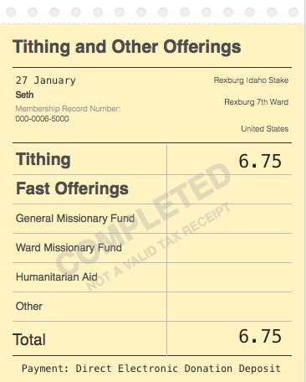
 |  |  |  | Miscellaneous | 4.89 | 4.89 | 0
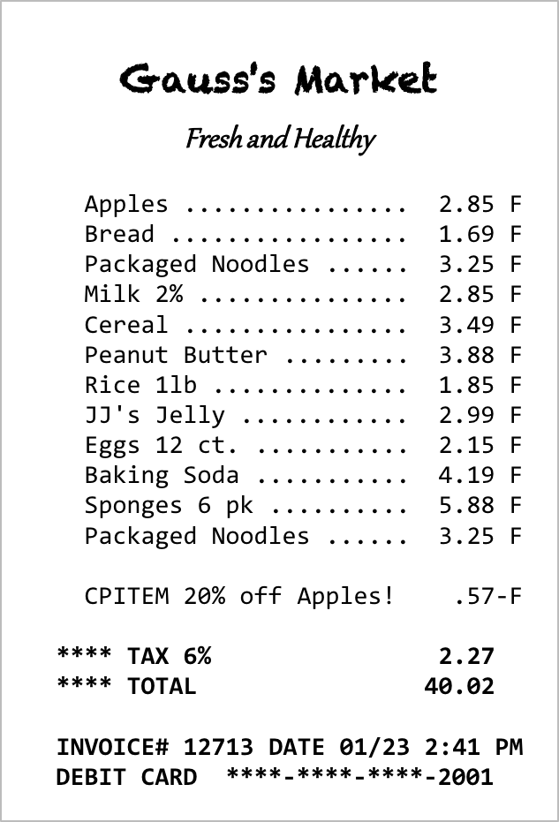
 |  |  |  | Total Monthly Expenses: | 761.65 | 384.41
 |  |  | Cash Flow Summary |  | January | New Monthly Goal
 |  |  |  | Total Cash Flow: | 0.00 | 0.00 | Hint
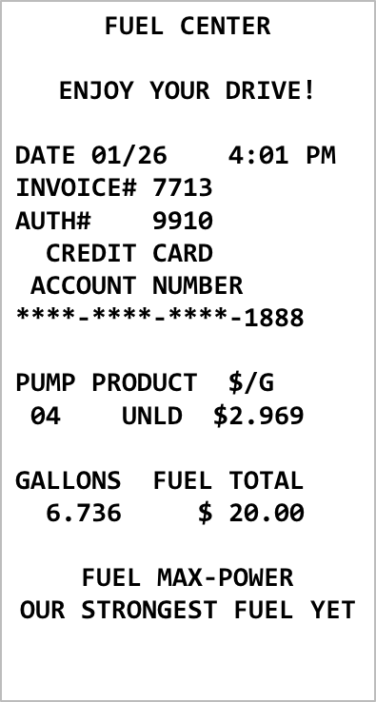
Juan
 |  |  |  |  | Goal: Get this to zero. | Goal: This must be ZERO
 |  |  | Juan's Final Savings Balance at the end of Two Semesters
 |  |  |  |  | New Savings Balance - Total of Savings Withdrawals: | 138.14 | Hint
 |  |  |  |  |  | This is the remaining savings balance after all the withdrawals for the school year.

 |  |  |  |  | Remember to document your changes.

Text box for Part #6
I think one thing we can learn from this example and from budgeting in general is to be financial responsable and to avoid debts.
With my husband, since we got married, we have a very detailed budget. Through the years we have been able to improve it and have learned to stay within it in a better way. As I did with Juan's budget, we could identified those categories that are not necessary or essential and save more money by reducing it. I love to do this (even when it's a bit tiring to do it) because we are applying the financial principles that we are taugh in the Church, and I think the best way to help others to do the same is by being a good example first.
 |  |  |  |  |  |  | #6

 |  |  |  |  |  |  |  |  |  |  |  |  |  |  |  |  | Winter 2023

